Sheet1
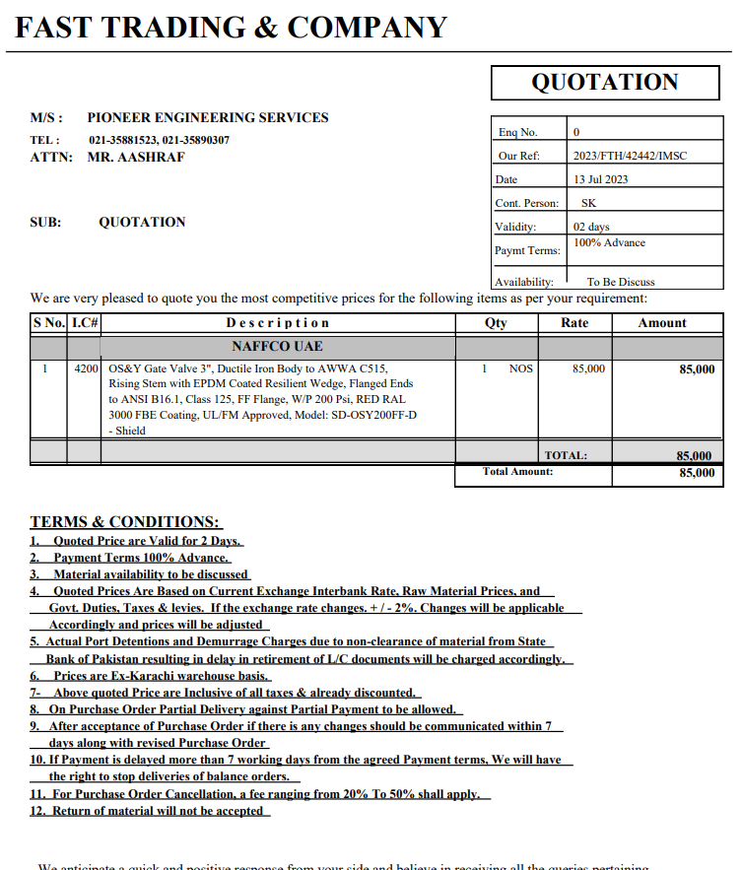


PES/DMC/001/01/23 |  |  |  |  |  |  |  | 2023-07-13

Attn: Mr. Anas Aftab

Variation order for Fire main line tap off connection - Dolmen Family Area DMC Karachi

S. # | Description | Material Rate | Labour Rate | Over Head profit 20% | Tax 7.5% | Unit | Qty | Amount
1 | Making of tap off connection in the main fire line. | - | 15,000 | 3,000 | 1,350 | Job | 1 | 19,350
2 | Supply and installation of valve with matching flange. | 85,000 | 6,000 | 18,200 | 8,190 | No | 1 | 117,390
3 | Supply and installation of matching flanges, gasket, nut bolt, washers etc for valves. | 25,000 | 3,000 | 5,600 | 2,520 | Job | 1 | 36,120
Total Amount Rs. |  |  |  |  |  |  |  | 172,860

Thanking you,

For PIONEER ENGINEERING SERVICES.

Bilal Habib

